Lamps
Brand | Model # | Description | Retail Price | Photo | Qty | Retail EXT
Hampton Bay | 1000037500 | Charenton 3-Light Brushed Nickel Wall Vanity Fixture | 39.49 | 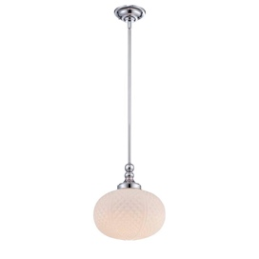 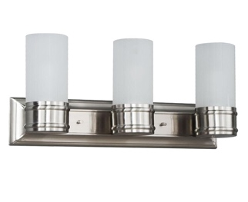 | 90 | $3,554.10
Hampton Bay | 1001255122 | 2-light Chrome Bath Bar Light With Frosted White Glass | $52.97 | 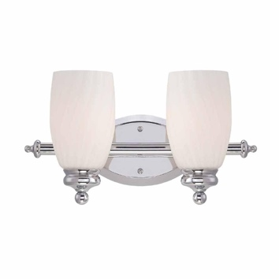 | 340 | $18,009.80
Hampton Bay | 512220 | Essex 3-Light Aged Black Chandelier with Tea Stained Glass Shades | $149.00 | 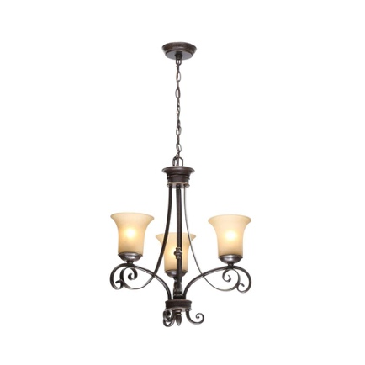 | 242 | $36,058.00
Hampton Bay | 1001392682 | 3-Light Oil-Rubbed Bronze Pendant with Burlap Drum Shade and Hardwire or Plug In Kit | $69.97 | 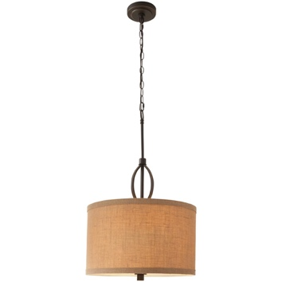 | 215 | $15,043.55
Home Decorators Collection | 1001789674 | Carousel 3-Light Burnished Gold Pendant with Frosted Glass Diffuser | $169.00 | 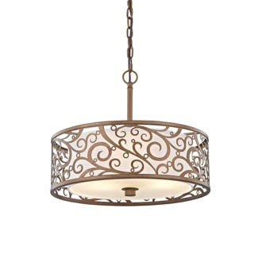 | 330 | $55,770.00
Hampton Bay | 799026 | 44 in. 3-Light Brushed Steel Track Lighting Kit | $54.86 |   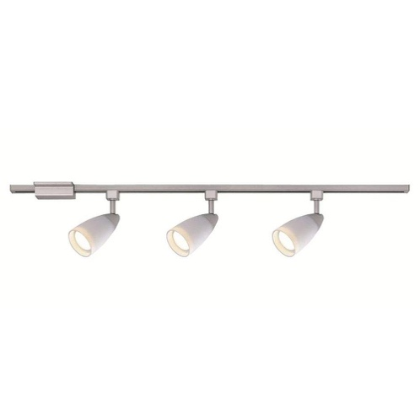 | 320 | $17,555.20
Commercial Electric | 74104 | 4 ft. 1-Light 30-Watt White Integrated Utility LED Shop Light with Pull Chain | $25.97 | 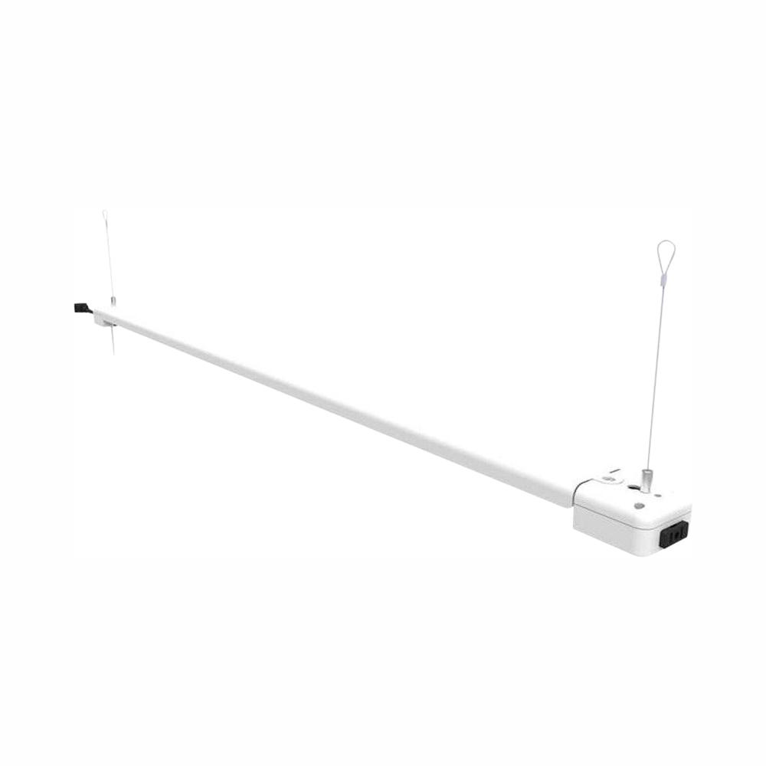 | 584 | $15,166.48
Hampton Bay | EC-6 SL | Lake Point 6-Light Chrome and Clear Crystal Chandelier | $209.00 | 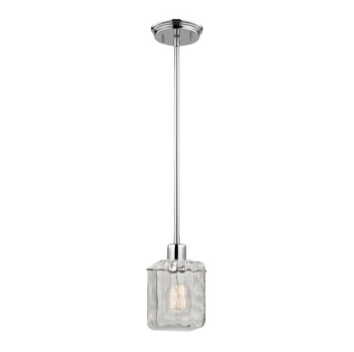 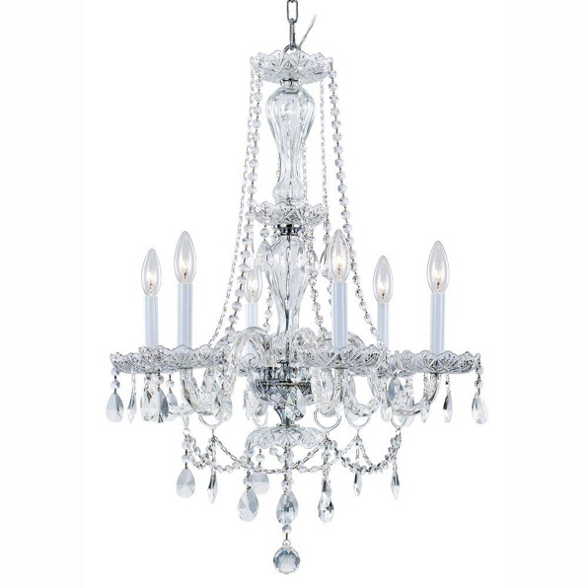 | 44 | $9,196.00
Home Decorators Collection | 15343 | 3-Light Chrome Bath Vanity Light with Bell Shaped Etched White Glass | $59.94 | 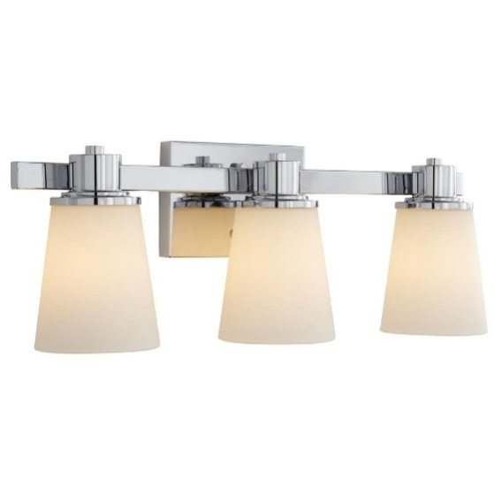 | 30 | $1,798.20
Home Depot | 13502 | Diamond 1-Light White Pendant | $29.97 | 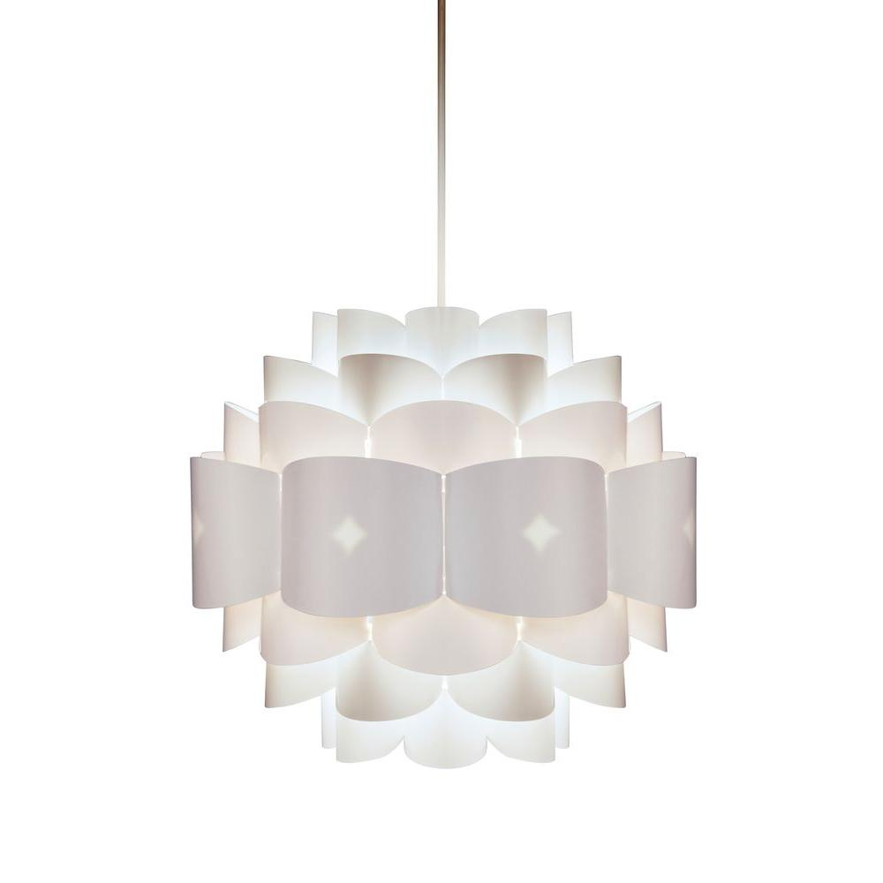 | 108 | $3,236.76
 |  |  |  |  | 2303 | $175,388.09

